Sheet2
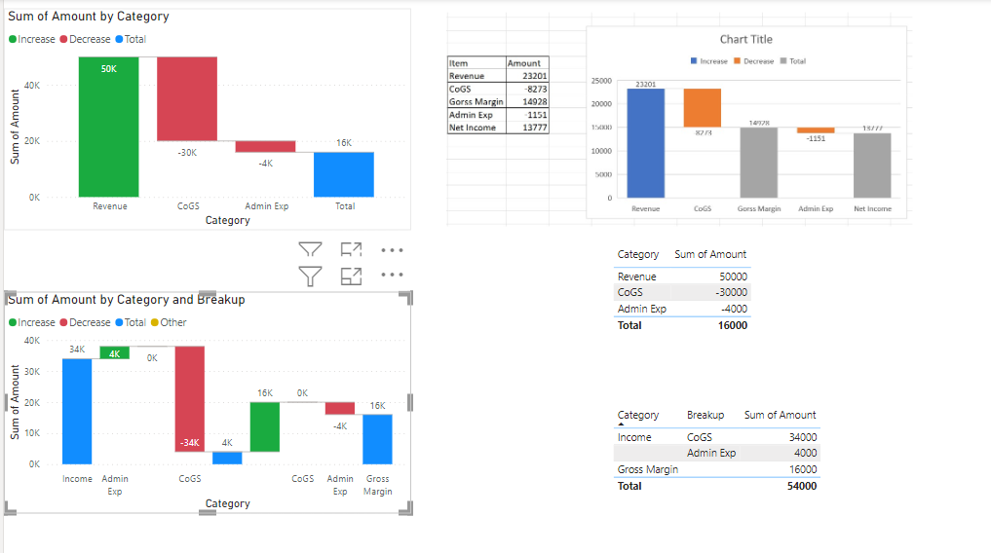
Breakup | Amount | Category | Index
CoGS | 50000 | Revenue | 0
Admin Exp | 4000 |  | 1
 | 16000 | Gross Margin | 2

